LifeCycle
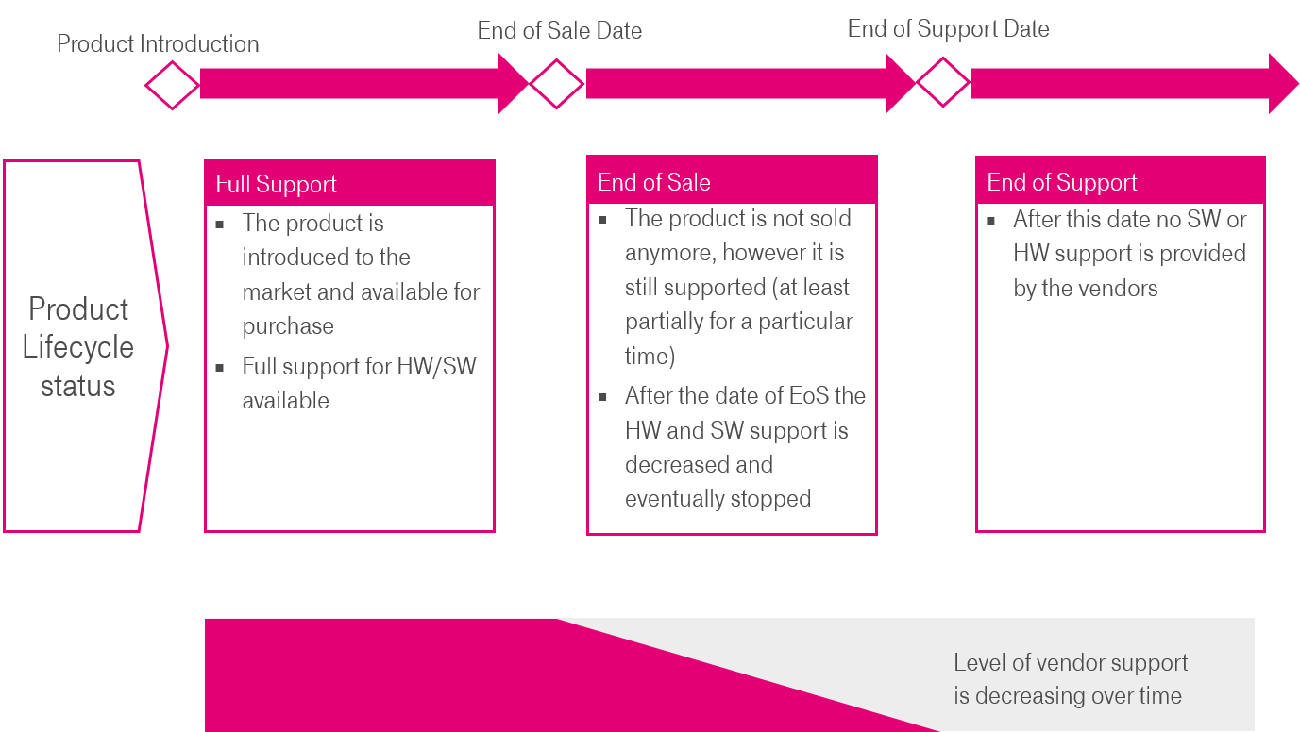

Note: | Please identify in which of the 3 described states the equipment is in | Full Support
 |  | End of Sale
 |  | End of Support

